Detail
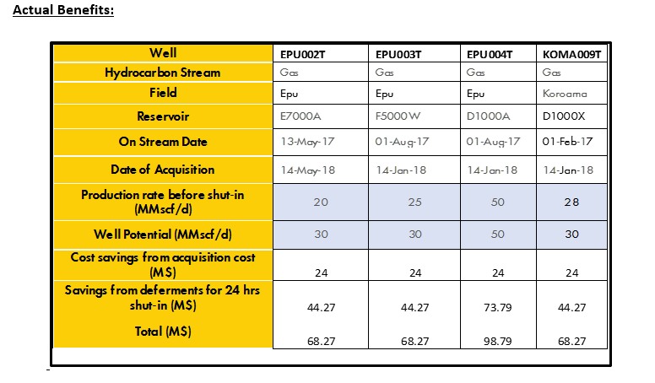
Implementation Cost
 |  |  |  |  | RATE
 |  | Item Description | QTY | UoM | US$ | NGN | US$ | NGN
 | Topside
 |  | Surface Acquisition Unit | 1 |  | 94,252.45 |  | 94252.45
 |  | TFOCA 300 FT | 3 |  | 6,136.36 |  | 18409.08
 |  | Optical Junction Box | 2 |  | 2185.30 |  | 4370.6
 |  | Splice Kit | 2 |  | 1254.00 |  | 2508
 |  | Personnel cost | 10 |  | 1500.00 |  | 15000
 |  | SCADA Integrator | 3 |  | 1000 |  | 3000
 | Sub Total |  |  |  |  |  | 137540.13

 | fiber Installation

 |  | Optic fibre cable 12 Core Single Mode | 800 | M |  | 1,500.00 |  | 1200000
 |  | Local Transportation | 1 |  |  | 150,000.00 |  | 150000
 |  | Excavation /backfilling | 800 | M |  | 2,500.00 |  | 2000000
 |  | Road Thrust boring | 0 | M |  | 0.00 |  | 0
 |  | Cable protection | 0 | M |  | 0.00 |  | 0
 |  | Cable Installation services | 800 | M |  | 1,000.00 |  | 800000
 |  | Logistics | 15 | Man days |  | 10,000.00 |  | 150000
 |  |  |  |  |  |  |  | 4300000
 |  | Add NCD Levy@1% |  |  |  |  |  | 43,000.00
 |  | Add VAT@5% |  |  |  |  |  | 215,000.00
 | Sub total |  |  |  |  |  |  | 4,558,000.00

 | Total |  |  |  |  |  | 137,540.13 | 4,558,000.00

 |  |  |  |  |  |  |  | 152,484.39

Benefits

